PB COMMENTS
Date: 20/09/2021
Country | Energy.type | Last.stage | Method | Machine | Eu.product | Quantity | 1960 | 1961 | 1962 | 1963 | 1964 | 1965 | 1966 | 1967 | 1968 | 1969 | 1970 | 1971 | 1972 | 1973 | 1974 | 1975 | 1976 | 1977 | 1978 | 1979 | 1980 | 1981 | 1982 | 1983 | 1984 | 1985 | 1986 | 1987 | 1988 | 1989 | 1990 | 1991 | 1992 | 1993 | 1994 | 1995 | 1996 | 1997 | 1998 | 1999 | 2000 | 2001 | 2002 | 2003 | 2004 | 2005 | 2006 | 2007 | 2008 | 2009 | 2010 | 2011 | 2012 | 2013 | 2014 | 2015 | 2016 | 2017 | 2018 | 2019 | 2020
WRLD | E | Final | PCM | Electric cable shovels | MW | eta.fu | 20.13% | 20.15% | 20.17% | 20.20% | 20.22% | 20.24% | 20.26% | 20.29% | 20.31% | 20.33% | 20.36% | 20.38% | 20.40% | 20.42% | 20.45% | 20.47% | 20.49% | 20.52% | 20.54% | 20.56% | 20.58% | 20.59% | 20.59% | 20.60% | 20.60% | 20.61% | 20.61% | 20.62% | 20.62% | 20.63% | 20.63% | 20.72% | 20.80% | 20.88% | 20.97% | 21.05% | 21.14% | 21.22% | 21.31% | 21.39% | 21.48% | 21.50% | 21.53% | 21.56% | 21.59% | 21.61% | 21.64% | 21.67% | 21.70% | 21.72% | 21.75% | 21.80% | 21.86% | 21.91% | 21.96% | 22.02% | 22.07% | 22.12% | 22.18% | 22.23% | 22.28%

 |  |  | PB comment |  |  |  |  |  |  |  |  |  |  |  |  |  |  | ZM Comments
 |  |  | 1 | I think the UNEP electric motor efficiencies 2014-2020 UNEP linear proejction is a bit optimistic. Miore likely its asymptotic towards eg 97% or 98% in 2030 / 2050
 |  |  | 2 | The Quan page needs to be added into the calcs page, so its UNEP motor eff x Quan process efficiency |  |  |  |  |  |  |  |  |  |  |  |  |  | Done

UNEP_2017
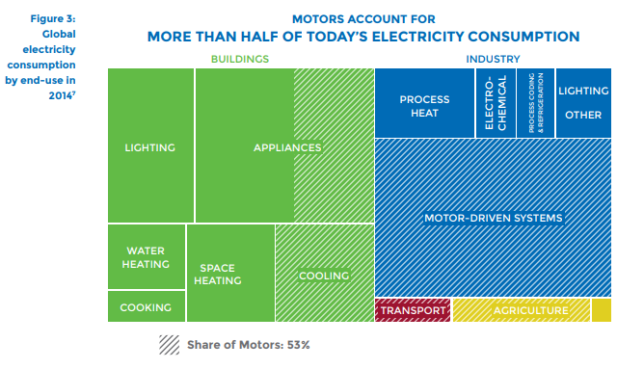
UNEP (2017) - Energy-Efficient Electric Motors and Motor Systems
https://united4efficiency.org/wp-content/uploads/2017/09/U4E-MotorGuide-201709-Final.pd
Raw Data
Year | Machine | Eta.fu | Year | Machine | Eta.fu | Source
1960 | Electric motor (45KW) | 0.88 | 1960 | Electric motor (45KW) | 0.88 | UNEP (2017)
1980 | Electric motor (45KW) | 0.9 | 1961 | Electric motor (45KW) | 0.881 | Interpolated
1990 | Electric motor (45KW) | 0.902 | 1962 | Electric motor (45KW) | 0.882 | Interpolated
2000 | Electric motor (45KW) | 0.939 | 1963 | Electric motor (45KW) | 0.883 | Interpolated
2010 | Electric motor (45KW) | 0.951 | 1964 | Electric motor (45KW) | 0.884 | Interpolated
2013 | Electric motor (45KW) | 0.958 | 1965 | Electric motor (45KW) | 0.885 | Interpolated
 |  |  | 1966 | Electric motor (45KW) | 0.886 | Interpolated
 |  |  | 1967 | Electric motor (45KW) | 0.887 | Interpolated
 |  |  | 1968 | Electric motor (45KW) | 0.888 | Interpolated
 |  |  | 1969 | Electric motor (45KW) | 0.889 | Interpolated
 |  |  | 1970 | Electric motor (45KW) | 0.89 | Interpolated
 |  |  | 1971 | Electric motor (45KW) | 0.891 | Interpolated
 |  |  | 1972 | Electric motor (45KW) | 0.892 | Interpolated
 |  |  | 1973 | Electric motor (45KW) | 0.893 | Interpolated
 |  |  | 1974 | Electric motor (45KW) | 0.894 | Interpolated
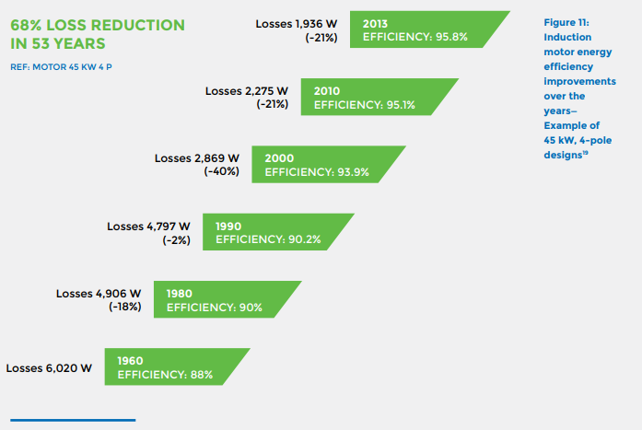
 |  |  | 1975 | Electric motor (45KW) | 0.895 | Interpolated
 |  |  | 1976 | Electric motor (45KW) | 0.896 | Interpolated
 |  |  | 1977 | Electric motor (45KW) | 0.897 | Interpolated
 |  |  | 1978 | Electric motor (45KW) | 0.898 | Interpolated
 |  |  | 1979 | Electric motor (45KW) | 0.899 | Interpolated
 |  |  | 1980 | Electric motor (45KW) | 0.9 | UNEP (2017)
 |  |  | 1981 | Electric motor (45KW) | 0.9002 | Interpolated
 |  |  | 1982 | Electric motor (45KW) | 0.9004 | Interpolated
 |  |  | 1983 | Electric motor (45KW) | 0.9006 | Interpolated
 |  |  | 1984 | Electric motor (45KW) | 0.9008 | Interpolated
 |  |  | 1985 | Electric motor (45KW) | 0.901 | Interpolated
 |  |  | 1986 | Electric motor (45KW) | 0.9012 | Interpolated
 |  |  | 1987 | Electric motor (45KW) | 0.9014 | Interpolated
 |  |  | 1988 | Electric motor (45KW) | 0.9016 | Interpolated
 |  |  | 1989 | Electric motor (45KW) | 0.9018 | Interpolated
 |  |  | 1990 | Electric motor (45KW) | 0.902 | UNEP (2017)
 |  |  | 1991 | Electric motor (45KW) | 0.9057 | Interpolated
 |  |  | 1992 | Electric motor (45KW) | 0.9094 | Interpolated
 |  |  | 1993 | Electric motor (45KW) | 0.9131 | Interpolated
 |  |  | 1994 | Electric motor (45KW) | 0.9168 | Interpolated
 |  |  | 1995 | Electric motor (45KW) | 0.9205 | Interpolated
 |  |  | 1996 | Electric motor (45KW) | 0.9242 | Interpolated
 |  |  | 1997 | Electric motor (45KW) | 0.9279 | Interpolated
 |  |  | 1998 | Electric motor (45KW) | 0.9316 | Interpolated
 |  |  | 1999 | Electric motor (45KW) | 0.9353 | Interpolated
 |  |  | 2000 | Electric motor (45KW) | 0.939 | UNEP (2017)
 |  |  | 2001 | Electric motor (45KW) | 0.9402 | Interpolated
 |  |  | 2002 | Electric motor (45KW) | 0.9414 | Interpolated
 |  |  | 2003 | Electric motor (45KW) | 0.9426 | Interpolated
 |  |  | 2004 | Electric motor (45KW) | 0.9438 | Interpolated
 |  |  | 2005 | Electric motor (45KW) | 0.945 | Interpolated
 |  |  | 2006 | Electric motor (45KW) | 0.9462 | Interpolated
 |  |  | 2007 | Electric motor (45KW) | 0.9474 | Interpolated
 |  |  | 2008 | Electric motor (45KW) | 0.9486 | Interpolated
 |  |  | 2009 | Electric motor (45KW) | 0.9498 | Interpolated
 |  |  | 2010 | Electric motor (45KW) | 0.951 | UNEP (2017)
 |  |  | 2011 | Electric motor (45KW) | 0.9533 | Interpolated
 |  |  | 2012 | Electric motor (45KW) | 0.9557 | Interpolated
 |  |  | 2013 | Electric motor (45KW) | 0.958 | UNEP (2017)
 |  |  | 2014 | Electric motor (45KW) | 0.9603 | Extrapolated
 |  |  | 2015 | Electric motor (45KW) | 0.9627 | Extrapolated
 |  |  | 2016 | Electric motor (45KW) | 0.9650 | Extrapolated
 |  |  | 2017 | Electric motor (45KW) | 0.9673 | Extrapolated
 |  |  | 2018 | Electric motor (45KW) | 0.9697 | Extrapolated
 |  |  | 2019 | Electric motor (45KW) | 0.9720 | Extrapolated
 |  |  | 2020 | Electric motor (45KW) | 0.9743 | Extrapolated

